coffee sales analysis dashboard
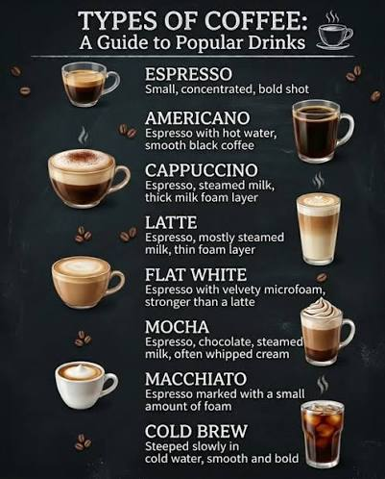
COFFEE SALES ANALYSIS DASHBOARD


Year wise Trend
 | Total
2025 | 6398.86
Payment method for Coffee
 | Total
card | 6398.86

Best Selling Coffee
 | Total
Americano | 649
Americano with Milk | 1604.72
Cappuccino | 965.52
Cocoa | 500.64
Cortado | 571.12
Espresso | 105.3
Hot Chocolate | 536.4
Latte | 1466.16
Coffee Sales Based on Year
 | Americano | Americano with Milk | Cappuccino | Cocoa | Cortado | Espresso | Hot Chocolate | Latte
2025 | 649 | 1604.72 | 965.52 | 500.64 | 571.12 | 105.3 | 536.4 | 1466.16

